2 Tub Types
Product Mix Model - Hot Tubs
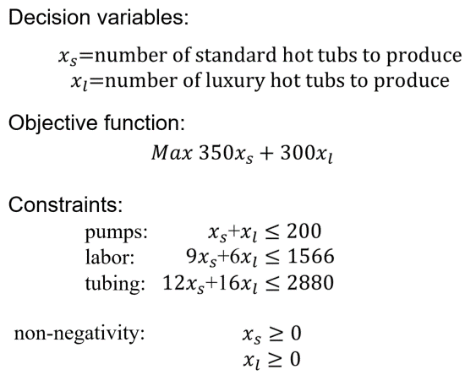
Resources Required (per Tub)
Tub Type | A | B
Pumps | 1 | 1
Labor (Hours) | 9 | 6
Tubing (Feet) | 12 | 16
Unit Profit | $350 | $300

Production Mix Decisions
Hot Tub Type | A | B
Number Produced | 0 | 0

Resource Constraints | Used |  | Available
Pumps |  | <= | 200
Labor (Hours) |  | <= | 1,566
NOTE: The <= text entries are not required. They are added to enhance readability.
Tubing (Feet) |  | <= | 2,880

Financial Summary
Hot Tub Type | A | B | Total
Profit

2 Tub Types (sol)
Product Mix Model - Hot Tubs

Resources Required (per Tub)
Tub Type | A | B
Pumps | 1 | 1
Labor (Hours) | 9 | 6
Tubing (Feet) | 12 | 16
Unit Profit | $350 | $300

Production Mix Decisions
Hot Tub Type | A | B
Number Produced | 122 | 78

Resource Constraints | Used |  | Available
Pumps | 200 | <= | 200
Labor (Hours) | 1566 | <= | 1,566
NOTE: The <= text entries are not required. They are added to enhance readability.
Tubing (Feet) | 2712 | <= | 2,880

Financial Summary
Hot Tub Type | A | B | Total
Profit | $42,700.00 | $23,400.00 | $66,100.00

